Houses
PROPERTY ADDRESS | LISTING PRICE | SQUARE FOOTAGE | BEDROOMS |  | LISTING PRICE | SQUARE FOOTAGE | Upper Limits | Labels | Frequency | Relative Frequency
609 E Calle Chulo Rd, Goodyear | $134,900 | 1204 | 3 | MEAN | $310,162.27 | 2464.19 | $200,000.00 | 100-199 | 15 | 0.15
16224 W Superior Ave, Goodyear | $157,499 | 1305 | 3 | MEDIAN | $267,400.00 | 2320.5 | $300,000.00 | 200-299 | 45 | 0.45
16069 W Sierra St, Goodyear | $159,000 | 1570 | 4 | MODE | $235,000.00 | 1641 | $400,000.00 | 300-399 | 25 | 0.25
17253 W Apache St, Goodyear | $159,900 | 1399 | 3 | VARIANCE | $34,379,240,720.94 | 1619816.6902 | $500,000.00 | 400-499 | 6 | 0.06
15862 W Jackson St, Goodyear | $164,000 | 1591 | 4 | STAND DEV | $130,779.36 | 897.68505273 | $600,000.00 | 500-599 | 4 | 0.04
17580 W East Wind Ave, Goodyear | $169,900 | 1476 | 2 | RANGE MIN | $134,900.00 | 1204 | $700,000.00 | 600-699 | 2 | 0.02
15056 W Taylor St, Goodyear | $185,000 | 1636 | 3 | RANGE MAX | $875,000.00 | 6010 | $800,000.00 | 700-799 | 2 | 0.02
16766 W Rio Vista Ln, Goodyear | $190,000 | 1765 | 3 | QUARTILE MIN | $134,900.00 | 1204 | $900,000.00 | 800-899 | 1 | 0.01
2478 S 155th Ln, Goodyear | $190,000 | 1864 | 3 | 1ST QUARTILE | $234,975.00 | 1815.25
16764 W Lincoln St, Goodyear | $194,900 | 1976 | 4 | MEDIAN | $267,400.00 | 2320.5 | SALES PRICE FREQUENCY
1176 N 163rd Ln, Goodyear | $194,990 | 1483 | 3 | 3RD QUARTILE | $354,925.00 | 2820.5
17785 W Tonto St, Goodyear | $199,000 | 1641 | 3 | QUARTILE MAX | $875,000.00 | 6010
1923 S 171st Dr, Goodyear | $199,500 | 1446 | 2
17044 W Mohave St, Goodyear | $199,900 | 1623 | 3 | BEDROOMS
16071 W Pima St, Goodyear | $199,999 | 2079 | 4 | Number of Bedrooms | Frequency
17772 W Sherman St, Goodyear | $213,037 | 1683 | 2 | 1 | 0
17279 W Watkins St, Goodyear | $214,900 | 2000 | 4 | 2 | 13
15058 W Fillmore St, Goodyear | $219,900 | 2494 | 3 | 3 | 38
16813 W Hammond St, Goodyear | $229,900 | 1807 | 3 | 4 | 32
17968 W Porter Ct, Goodyear | $229,998 | 2328 | 4
3103 N 150th Ave, Goodyear | $230,000 | 1641 | 3
4303 N 154th Dr, Goodyear | $230,000 | 1701 | 4
15852 W Earll Dr, Goodyear | $232,000 | 1269 | 2
15941 W Madison St, Goodyear | $234,000 | 2109 | 3
16254 W Gibson Ln, Goodyear | $234,900 | 2313 | 3 |  |  |  | The vast majority of homes listed in the Phoenix market are listed between $200,000 - $300,000.
3010 N 148th Ave, Goodyear | $235,000 | 1445 | 2
18112 W San Alejandro Dr, Goodyear | $235,000 | 1549 | 2
17905 W Santa Alberta Ln, Goodyear | $235,000 | 1818 | 4
17736 W Sherman St, Goodyear | $235,135 | 2432 | 3
3676 S 186th Ln, Goodyear | $235,900 | 2119 | 4
17516 W Canyon Ln, Goodyear | $239,750 | 1629 | 2 | EMPIRACAL RULE ANALYSIS - SALES PRICE
14645 W Piccadilly Rd, Goodyear | $239,800 | 1569 | 2 | 1st standard deviation | 83%
12358 S 176th Ave, Goodyear | $239,900 | 1873 | 3 | 2nd standard deviation | 12%
13165 S 182nd Ave, Goodyear | $239,900 | 1897 | 3 | 3rd standard deviation | 5%
17429 W Madison St, Goodyear | $240,000 | 2612 | 4 | This data does not align perfectly with the empriacal rule. More than 68% is within the first standard deviation. The data does match the emiracal rule in that 95% of the figures are within two standar deviations.
16234 W Williams St, Goodyear | $242,000 | 2719 | 4
13335 S 176th Ln, Goodyear | $245,000 | 1848 | 3
13233 W Cambridge Ave, Goodyear | $245,000 | 2210 | 3
4013 N 163rd Dr, Goodyear | $249,000 | 1489 | 2 | Chebyshev’s Theorem
12561 S 176th Ave, Goodyear | $249,500 | 2512 | 4 | The data does align with Chebyshev's Theorem. At least 75% of the data is within two standard deviations of the mean.
3543 S 185th Dr, Goodyear | $249,900 | 2249 | 4
11448 S Coolwater Dr, Goodyear | $250,000 | 2068 | 3
15568 W Westview Dr, Goodyear | $254,750 | 2197 | 3
17421 W Mohave St, Goodyear | $254,900 | 2549 | 4
15659 W Westview Dr, Goodyear | $255,000 | 2100 | 3
17745 W Desert View Ln, Goodyear | $255,000 | 2110 | 3
17343 W Buchanan St, Goodyear | $255,000 | 2612 | 5
15842 W Durango St, Goodyear | $257,000 | 2259 | 3
2663 S 158th Dr, Goodyear | $260,000 | 2450 | 3
17336 W Elizabeth Ave, Goodyear | $264,900 | 2549 | 5
16941 W rio Vista Ln, Goodyear | $269,900 | 2097 | 3
4614 S 180th Ave, Goodyear | $272,000 | 2083 | 4
Descriptive Statistics – Real Estate Data Part 1
Team B:
ANDREW HARMS
BRIAN TORRES
CHARLES JONES
GRACE DUARTE
MARIA CORONEL
QNT/351
March, 14, 2017
FREDRICK OHANESIAN
15875 W Windsor Ave, Goodyear | $274,900 | 1445 | 2
15438 W mackenzie Dr, Goodyear | $279,900 | 2750 | 6
4262 N 180th Ln, Goodyear | $288,900 | 2410 | 4
4384 N 186th Ln, Goodyear | $289,995 | 2278 | 3
16160 W Pima St, Goodyear | $290,000 | 2959 | 4
16428 W Magnolia St, Goodyear | $294,900 | 1709 | 4
18580 W San Carlos Dr, Goodyear | $299,900 | 2763 | 4
13229 W Palm Ln, Goodyear | $299,999 | 2499 | 4
15291 W Amelia Dr, Goodyear | $300,000 | 2154 | 2
1772 N 157th Dr, Goodyear | $300,000 | 2289 | 3
15700 W Almeria Rd, Goodyear | $304,955 | 2283 | 3
15317 W Montecito Ave, Goodyear | $305,000 | 2588 | 3
14640 W Merrell St, Goodyear | $309,000 | 2163 | 3
16353 W Granada Rd, Goodyear | $312,000 | 1706 | 2
16334 W Roosevelt St, Goodyear | $319,995 | 3518 | 5
4326 N 186th Ln, Goodyear | $322,995 | 2415 | 4
4425 S 180th Ave, Goodyear | $325,000 | 2975 | 5
2645 N 137th Ave, Goodyear | $330,000 | 2879 | 4
15265 W Montecito Ave, Goodyear | $335,999 | 3972 | 4
3073 N 159th Dr, Goodyear | $349,000 | 2756 | 3
14474 W Avalon Dr, Goodyear | $349,900 | 2529 | 3
14489 W Windward Ave, Goodyear | $350,000 | 2801 | 4
16206 W Cocopah St, Goodyear | $354,900 | 3517 | 4
13611 W Holly St, Goodyear | $355,000 | 3117 | 4
15368 W Coolidge St, Goodyear | $358,000 | 3321 | 4
16141 W Glenrosa Ave, Goodyear | $367,990 | 3218 | 4
14412 W Monte Vista Rd, Goodyear | $372,500 | 2353 | 4
4353 N 152nd Dr, Goodyear | $374,900 | 4135 | 5
16332 W Roanoke Ave, Goodyear | $379,000 | 2725 | 2
16180 W Glenrosa Ave, Goodyear | $384,000 | 3066 | 5
15165 W Catalina Dr, Goodyear | $395,000 | 2961 | 3
14102 W Windosor Ave, Goodyear | $399,500 | 2912 | 3
16643 W Watkins St, Goodyear | $399,900 | 2632 | 5
18658 W Miami St, Goodyear | $400,000 | 3961 | 5
4244 N 161st Ave, Goodyear | $400,000 | 3498 | 6
16055 W Cambridge Ave, Goodyear | $439,000 | 2962 | 3
18083 W Narramore Rd, Goodyear | $439,900 | 3210 | 4
4152 N 182nd Ln, Goodyear | $447,427 | 3118 | 4
15318 W Fairmount Ave, Goodyear | $459,000 | 2449 | 3
3197 N Palmer Dr, Goodyear | $503,750 | 2405 | 3
4164 N 182nd Ln, Goodyear | $510,404 | 4762 | 5
15932 W Ashland Ave, Goodyear | $555,000 | 3544 | 3
8876 S Santa Elizabeth Dr, Goodyear | $559,900 | 3698 | 3
13132 W Beverly Rd, Goodyear | $650,000 | 6010 | 7
4188 N 182nd Ln, Goodyear | $651,193 | 2415 | 4
4315 N 183rd Dr, Goodyear | $731,268 | 3241 | 4
15917 W Vernon Ave, Goodyear | $749,999 | 5997 | 6
10797 Casa Blanca Dr, Goodyear | $875,000 | 4904 | 5

Disputation Chart
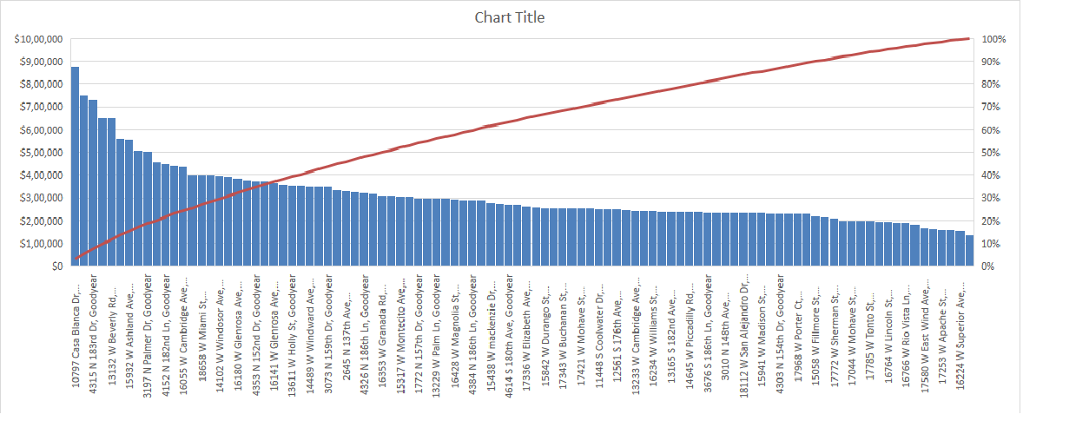

Bedroom Bar Chart
Bedroom Counts
 | Total
2 | 13
3 | 40
4 | 33
5 | 10
6 | 3
7 | 1

