0.8
 | 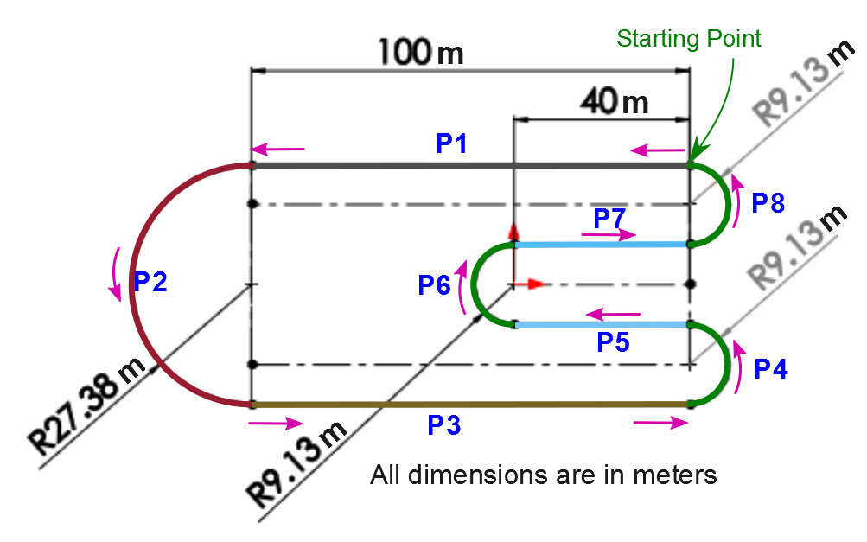 |  |  |  |  |  |  |  |  | Coefficient of Friction | 0.80 |  |  |  |  |  | Gear Ratio | 3.16667
 |  |  |  |  |  |  |  |  |  | Weight of Car with driver (W) | 700.00 | lbs | 317.5 | kg | 3113.8 | N | Diameter of wheels | 18.0 | in | 0.5 | m
 |  |  |  |  |  |  |  |  |  | Max tractive force before slip (F) | 2491.00 | N | (Coefficient of Friction x (W) in N) |  |  |  | Acc due to gravity | 9.8067 | m/sec^2
 |  |  |  |  |  |  |  |  |  | Max torque at the wheels before slip (Tw) | 569.44 | Nm | 5038.0 | in-lbf | (F x radius of wheel)
 |  |  |  |  |  |  |  |  |  | Max torque available at the motor (Tm) | 1590.94 | in-lbf | (Tw/Gear Ratio)
 |  |  |  |  |  |  |  |  |  | Motor RPM for the Max torque (s) | 3000.00 | RPM | From torque speed curve (green dotted line)
 |  |  |  |  |  |  |  |  |  | Max speed of wheels (rpm) | 947.37 | RPM | RPM@Tm/Gear Ratio
 |  |  |  |  |  |  |  |  |  | Max speed of the car from wheel speed | 50.73 | mph
 |  |  |  |  |  |  |  |  |  | Max speed of the car (Approximated) (Vmax_car) | 50.00 | mph | 80.5 | km/hr | 22.4 | m/sec
 |  |  |  |  |  |  |  |  |  | Max acceleration of the car (m/sec^2) | 7.85 | m/sec^2 | (Coefficient of Friction * 9.8 m/sec^2)

 |  |  |  |  |  |  |  |  |  | Note:
 |  |  |  |  |  |  |  |  |  | The acceleration and deceleration achieved by the car at any speed is constant (given above)
 |  |  |  |  |  |  |  |  |  | The max speed of the car is restricted to 50mph i.e. 22.4m/s (Remember: The max speed in a particular segment can be less than this)
 |  |  |  |  |  |  |  |  |  | Use the following formulae to find the distance s, initial velocity u and final velocity v
 |  |  |  |  |  |  |  |  |  | s = u t + (1/2)a t^2, v = u + a t, v^2 = u^2 + 2 a s
 |  |  |  |  |  |  |  |  |  | The car starts from rest at the starting point and follows the track traversing segments P1, P2, P3, P4, P5,
 |  |  |  |  |  |  |  |  |  | P6, P7 and P8, and exits the track with max turning speed for segment 8.
 | Fill in the white boxes

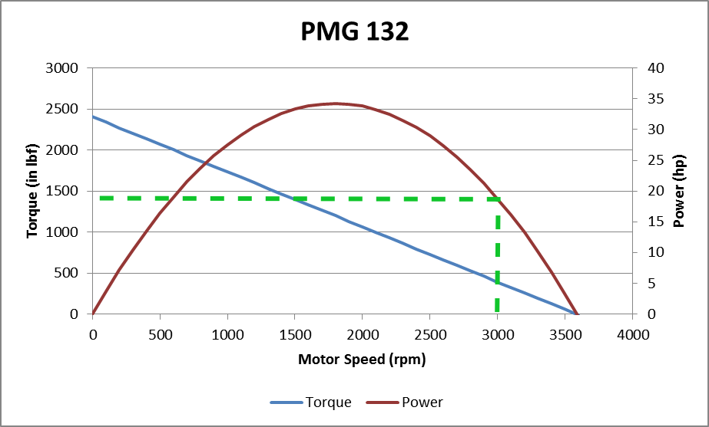
 | Path | P1 | P2 | P3 | P4 | P5 | P6 | P7 | P8 | Total Dist travelled in one lap(m) | 452.02
 | Distance (m) | 100.0 | 86.0 | 100.0 | 28.7 | 40.0 | 28.7 | 40.0 | 28.7 | Total Time taken for one lap (sec) | 0.00
 | Radius (m) |  | 27.4 |  | 9.1 |  | 9.1 |  | 9.1 | Radius of the circular track segment
 | Initial Velocity (m/sec) | 0.0 |  |  |  |  |  |  |  | Starting velocity for the car for each segment
 | Max Velocity (m/sec) |  |  |  |  |  |  |  |  | Max velocity achieved in this segment
 | Max Acc (m/sec^2) | 7.8 |  | 7.8 |  | 7.8 |  | 7.8 |  | Max acceleration for the car at any speed (const)
 | Final Velocity (m/sec) |  |  |  |  |  |  |  |  | Final velocity at the end of the each segment
 | Max Turning Speed (m/sec) |  |  |  |  |  |  |  |  | Max speed along each circular track segment
 | Accelerate distance (m) |  |  |  |  |  |  |  |  | Distance covered during acceleration
 | Constant speed distance (m) |  |  |  |  |  |  |  |  | Distance covered during constant speed travel
 | Decelerate distance (m) |  |  |  |  |  |  |  |  | Distance covered during deceleration
 | Accelerate time (sec) |  |  |  |  |  |  |  |  | Time taken to accelerate to top speed
 | Constant speed time (sec) |  |  |  |  |  |  |  |  | Time taken during uniform speed travel
 | Decelerate time (sec) |  |  |  |  |  |  |  |  | Time taken during deceleration
 | Total Time (sec) |  |  |  |  |  |  |  |  | Total time taken to complete each segment

 | Distance Required to Hit Vmax_car for Straight Segments
 | Max Accleration Time |  |  |  |  |  |  |  |  | Time from Initial Velocity to Vmax_car
 | Max Accleration Distance |  |  |  |  |  |  |  |  | Distance Travelled to Accelerate to Vmax_car
 | Max Deceleration Time |  |  |  |  |  |  |  |  | Time to Decelerate from Vmax_car to Final Velocity
 | Max Deceleration Distance |  |  |  |  |  |  |  |  | Distance Travelled to Decelerate to Final Velocity
 | Total Distance |  |  |  |  |  |  |  |  | Total Distance to Accelerate and Decelerate to and from Vmax_car

 | Distance for Acceleration and Deceleration if Vmax_car cannot be achieved
 | Deceleration Distance
 | Accleration Distance

Vehicle Accleration and Velocity
 |  | Distance | Velocity | Acceleration
P1 | Start accel | 0.0 | 0.0 | 7.8
 | End accel | 0.0 | 0.0 | 7.8
 | Start top speed | 0.0 | 0.0 | 0.0
 | End top speed | 0.0 | 0.0 | 0.0
 | Start dec | 0.0 | 0.0 | -7.8
 | End dec | 0.0 | 0.0 | -7.8
P2 | Start turn | 0.0 | 0.0 | 0.0
 | End turn | 86.0 | 0.0 | 0.0
P3 | Start accel | 86.0 | 0.0 | 7.8
 | End accel | 86.0 | 0.0 | 7.8
 | Start top speed | 86.0 | 0.0 | 0.0
 | End top speed | 86.0 | 0.0 | 0.0
 | Start dec | 86.0 | 0.0 | -7.8
 | End dec | 86.0 | 0.0 | -7.8
P4 | Start turn | 86.0 | 0.0 | 0.0
 | End turn | 114.7 | 0.0 | 0.0
P5 | Start accel | 114.7 | 0.0 | 7.8
 | End accel | 114.7 | 0.0 | 7.8
 | Start top speed | 114.7 | 0.0 | 0.0
 | End top speed | 114.7 | 0.0 | 0.0
 | Start dec | 114.7 | 0.0 | -7.8
 | End dec | 114.7 | 0.0 | -7.8
P6 | Start turn | 114.7 | 0.0 | 0.0
 | End turn | 143.4 | 0.0 | 0.0
P7 | Start accel | 143.4 | 0.0 | 7.8
 | End accel | 143.4 | 0.0 | 7.8
 | Start top speed | 143.4 | 0.0 | 0.0
 | End top speed | 143.4 | 0.0 | 0.0
 | Start dec | 143.4 | 0.0 | -7.8
 | End dec | 143.4 | 0.0 | -7.8
P8 | Start turn | 143.4 | 0.0 | 0.0
 | End turn | 172.0 | 0.0 | 0.0

0.2
 | HW 7: Lap Time Simulator

 |  |  |  |  |  |  |  |  |  | Coefficient of Friction | 0.20 |  |  |  |  |  | Gear Ratio | 3.1667
 |  |  |  |  |  |  |  |  |  | Weight of Car with driver (W) | 700.00 | lbs | 317.5 | kg | 3113.8 | N | Diameter of wheels | 18.0 | in | 0.5 | m
 |  |  |  |  |  |  |  |  |  | Max tractive force before slip (F) | 622.75 | N | (Coefficient of Friction x (W) in N) |  |  |  | Acc due to gravity | 9.8067 | m/sec^2
 |  |  |  |  |  |  |  |  |  | Max torque at the wheels before slip (Tw) | 142.36 | Nm | 1259.5 | in-lbf | (F x radius of wheel)
 |  |  |  |  |  |  |  |  |  | Max torque available at the motor (Tm) | 397.73 | in-lbf | (Tw/Gear Ratio)
 |  |  |  |  |  |  |  |  |  | Motor RPM for the Max torque (s) | 3000.00 | RPM | From torque speed curve (green dotted line)
 |  |  |  |  |  |  |  |  |  | Max speed of wheels (rpm) | 947.37 | RPM | RPM@Tm/Gear Ratio
 |  |  |  |  |  |  |  |  |  | Max speed of the car from wheel speed | 50.73 | mph
 |  |  |  |  |  |  |  |  |  | Max speed of the car (Approximated) (Vmax_car) | 50.00 | mph | 80.5 | km/hr | 22.4 | m/sec
 |  |  |  |  |  |  |  |  |  | Max acceleration of the car (m/sec^2) | 1.96 | m/sec^2 | (Coefficient of Friction * 9.8 m/sec^2)

 |  |  |  |  |  |  |  |  |  | Note:
 |  |  |  |  |  |  |  |  |  | The acceleration and deceleration achieved by the car at any speed is constant (given above)
 |  |  |  |  |  |  |  |  |  | The max speed of the car is restricted to 50mph i.e. 22.4m/s (Remember: The max speed in a particular segment can be less than this)
 |  |  |  |  |  |  |  |  |  | Use the following formulae to find the distance s, initial velocity u and final velocity v
 |  |  |  |  |  |  |  |  |  | s = u t + (1/2)a t^2, v = u + a t, v^2 = u^2 + 2 a s
 |  |  |  |  |  |  |  |  |  | The car starts from rest at the starting point and follows the track traversing segments P1, P2, P3, P4, P5,
 |  |  |  |  |  |  |  |  |  | P6, P7 and P8, and exits the track with max turning speed for segment 8.
 | Fill in the white boxes

 | Path | P1 | P2 | P3 | P4 | P5 | P6 | P7 | P8 | Total Dist travelled in one lap(m) | 452.02
 | Distance (m) | 100.0 | 86.0 | 100.0 | 28.7 | 40.0 | 28.7 | 40.0 | 28.7 | Total Time taken for one lap (sec) | 0.00
 | Radius (m) |  | 27.4 |  | 9.1 |  | 9.1 |  | 9.1 | Radius of the circular track segment
 | Initial Velocity (m/sec) | 0.0 |  |  |  |  |  |  |  | Starting velocity for the car for each segment
 | Max Velocity (m/sec) |  |  |  |  |  |  |  |  | Max velocity achieved in this segment
 | Max Acc (m/sec^2) | 2.0 |  | 2.0 |  | 2.0 |  | 2.0 |  | Max acceleration for the car at any speed (const)
 | Final Velocity (m/sec) |  |  |  |  |  |  |  |  | Final velocity at the end of the each segment
 | Max Turning Speed (m/sec) |  |  |  |  |  |  |  |  | Max speed along each circular track segment
 | Accelerate distance (m) |  |  |  |  |  |  |  |  | Distance covered during acceleration
 | Constant speed distance (m) |  |  |  |  |  |  |  |  | Distance covered during constant speed travel
 | Decelerate distance (m) |  |  |  |  |  |  |  |  | Distance covered during deceleration
 | Accelerate time (sec) |  |  |  |  |  |  |  |  | Time taken to accelerate to top speed
 | Constant speed time (sec) |  |  |  |  |  |  |  |  | Time taken during uniform speed travel
 | Decelerate time (sec) |  |  |  |  |  |  |  |  | Time taken during deceleration
 | Total Time (sec) |  |  |  |  |  |  |  |  | Total time taken to complete each segment

 | Distance Required to Hit Vmax_car for Straight Segments
 | Max Accleration Time |  |  |  |  |  |  |  |  | Time from Initial Velocity to Vmax_car
 | Max Accleration Distance |  |  |  |  |  |  |  |  | Distance Travelled to Accelerate to Vmax_car
 | Max Deceleration Time |  |  |  |  |  |  |  |  | Time to Decelerate from Vmax_car to Final Velocity
 | Max Deceleration Distance |  |  |  |  |  |  |  |  | Distance Travelled to Decelerate to Final Velocity
 | Total Distance |  |  |  |  |  |  |  |  | Total Distance to Accelerate and Decelerate to and from Vmax_car

 | Distance for Acceleration and Deceleration if Vmax_car cannot be achieved
 | Deceleration Distance
 | Accleration Distance

Vehicle Accleration and Velocity
 |  | Distance | Velocity | Acceleration
P1 | Start accel | 0.0 | 0.0 | 2.0
 | End accel | 0.0 | 0.0 | 2.0
 | Start top speed | 0.0 | 0.0 | 0.0
 | End top speed | 0.0 | 0.0 | 0.0
 | Start dec | 0.0 | 0.0 | -2.0
 | End dec | 0.0 | 0.0 | -2.0
P2 | Start turn | 0.0 | 0.0 | 0.0
 | End turn | 86.0 | 0.0 | 0.0
P3 | Start accel | 86.0 | 0.0 | 2.0
 | End accel | 86.0 | 0.0 | 2.0
 | Start top speed | 86.0 | 0.0 | 0.0
 | End top speed | 86.0 | 0.0 | 0.0
 | Start dec | 86.0 | 0.0 | -2.0
 | End dec | 86.0 | 0.0 | -2.0
P4 | Start turn | 86.0 | 0.0 | 0.0
 | End turn | 114.7 | 0.0 | 0.0
P5 | Start accel | 114.7 | 0.0 | 2.0
 | End accel | 114.7 | 0.0 | 2.0
 | Start top speed | 114.7 | 0.0 | 0.0
 | End top speed | 114.7 | 0.0 | 0.0
 | Start dec | 114.7 | 0.0 | -2.0
 | End dec | 114.7 | 0.0 | -2.0
P6 | Start turn | 114.7 | 0.0 | 0.0
 | End turn | 143.4 | 0.0 | 0.0
P7 | Start accel | 143.4 | 0.0 | 2.0
 | End accel | 143.4 | 0.0 | 2.0
 | Start top speed | 143.4 | 0.0 | 0.0
 | End top speed | 143.4 | 0.0 | 0.0
 | Start dec | 143.4 | 0.0 | -2.0
 | End dec | 143.4 | 0.0 | -2.0
P8 | Start turn | 143.4 | 0.0 | 0.0
 | End turn | 172.0 | 0.0 | 0.0

0.6
 | HW 7: Lap Time Simulator

 |  |  |  |  |  |  |  |  |  | Coefficient of Friction | 0.60 |  |  |  |  |  | Gear Ratio | 3.1667
 |  |  |  |  |  |  |  |  |  | Weight of Car with driver (W) | 700.00 | lbs | 317.5 | kg | 3113.8 | N | Diameter of wheels | 18.0 | in | 0.5 | m
 |  |  |  |  |  |  |  |  |  | Max tractive force before slip (F) | 1868.25 | N | (Coefficient of Friction x (W) in N) |  |  |  | Acc due to gravity | 9.8067 | m/sec^2
 |  |  |  |  |  |  |  |  |  | Max torque at the wheels before slip (Tw) | 427.08 | Nm | 3778.5 | in-lbf | (F x radius of wheel)
 |  |  |  |  |  |  |  |  |  | Max torque available at the motor (Tm) | 1193.20 | in-lbf | (Tw/Gear Ratio)
 |  |  |  |  |  |  |  |  |  | Motor RPM for the Max torque (s) | 3000.00 | RPM | From torque speed curve (green dotted line)
 |  |  |  |  |  |  |  |  |  | Max speed of wheels (rpm) | 947.37 | RPM | RPM@Tm/Gear Ratio
 |  |  |  |  |  |  |  |  |  | Max speed of the car from wheel speed | 50.73 | mph
 |  |  |  |  |  |  |  |  |  | Max speed of the car (Approximated) (Vmax_car) | 50.00 | mph | 80.5 | km/hr | 22.4 | m/sec
 |  |  |  |  |  |  |  |  |  | Max acceleration of the car (m/sec^2) | 5.88 | m/sec^2 | (Coefficient of Friction * 9.8 m/sec^2)

 |  |  |  |  |  |  |  |  |  | Note:
 |  |  |  |  |  |  |  |  |  | The acceleration and deceleration achieved by the car at any speed is constant (given above)
 |  |  |  |  |  |  |  |  |  | The max speed of the car is restricted to 50mph i.e. 22.4m/s (Remember: The max speed in a particular segment can be less than this)
 |  |  |  |  |  |  |  |  |  | Use the following formulae to find the distance s, initial velocity u and final velocity v
 |  |  |  |  |  |  |  |  |  | s = u t + (1/2)a t^2, v = u + a t, v^2 = u^2 + 2 a s
 |  |  |  |  |  |  |  |  |  | The car starts from rest at the starting point and follows the track traversing segments P1, P2, P3, P4, P5,
 |  |  |  |  |  |  |  |  |  | P6, P7 and P8, and exits the track with max turning speed for segment 8.
 | Fill in the white boxes

 | Path | P1 | P2 | P3 | P4 | P5 | P6 | P7 | P8 | Total Dist travelled in one lap(m) | 452.02
 | Distance (m) | 100.0 | 86.0 | 100.0 | 28.7 | 40.0 | 28.7 | 40.0 | 28.7 | Total Time taken for one lap (sec) | 0.00
 | Radius (m) |  | 27.4 |  | 9.1 |  | 9.1 |  | 9.1 | Radius of the circular track segment
 | Initial Velocity (m/sec) | 0.0 |  |  |  |  |  |  |  | Starting velocity for the car for each segment
 | Max Velocity (m/sec) |  |  |  |  |  |  |  |  | Max velocity achieved in this segment
 | Max Acc (m/sec^2) | 5.9 |  | 5.9 |  | 5.9 |  | 5.9 |  | Max acceleration for the car at any speed (const)
 | Final Velocity (m/sec) |  |  |  |  |  |  |  |  | Final velocity at the end of the each segment
 | Max Turning Speed (m/sec) |  |  |  |  |  |  |  |  | Max speed along each circular track segment
 | Accelerate distance (m) |  |  |  |  |  |  |  |  | Distance covered during acceleration
 | Constant speed distance (m) |  |  |  |  |  |  |  |  | Distance covered during constant speed travel
 | Decelerate distance (m) |  |  |  |  |  |  |  |  | Distance covered during deceleration
 | Accelerate time (sec) |  |  |  |  |  |  |  |  | Time taken to accelerate to top speed
 | Constant speed time (sec) |  |  |  |  |  |  |  |  | Time taken during uniform speed travel
 | Decelerate time (sec) |  |  |  |  |  |  |  |  | Time taken during deceleration
 | Total Time (sec) |  |  |  |  |  |  |  |  | Total time taken to complete each segment

 | Distance Required to Hit Vmax_car for Straight Segments
 | Max Accleration Time |  |  |  |  |  |  |  |  | Time from Initial Velocity to Vmax_car
 | Max Accleration Distance |  |  |  |  |  |  |  |  | Distance Travelled to Accelerate to Vmax_car
 | Max Deceleration Time |  |  |  |  |  |  |  |  | Time to Decelerate from Vmax_car to Final Velocity
 | Max Deceleration Distance |  |  |  |  |  |  |  |  | Distance Travelled to Decelerate to Final Velocity
 | Total Distance |  |  |  |  |  |  |  |  | Total Distance to Accelerate and Decelerate to and from Vmax_car

 | Distance for Acceleration and Deceleration if Vmax_car cannot be achieved
 | Deceleration Distance
 | Accleration Distance

Vehicle Accleration and Velocity
 | Velocity | Acceleration
0.0 | 0.0 | 5.9
0.0 | 0.0 | 5.9
0.0 | 0.0 | 0.0
0.0 | 0.0 | 0.0
0.0 | 0.0 | -5.9
0.0 | 0.0 | -5.9
0.0 | 0.0 | 0.0
86.0 | 0.0 | 0.0
86.0 | 0.0 | 5.9
86.0 | 0.0 | 5.9
86.0 | 0.0 | 0.0
86.0 | 0.0 | 0.0
86.0 | 0.0 | -5.9
86.0 | 0.0 | -5.9
86.0 | 0.0 | 0.0
114.7 | 0.0 | 0.0
114.7 | 0.0 | 5.9
114.7 | 0.0 | 5.9
114.7 | 0.0 | 0.0
114.7 | 0.0 | 0.0
114.7 | 0.0 | -5.9
114.7 | 0.0 | -5.9
114.7 | 0.0 | 0.0
143.4 | 0.0 | 0.0
143.4 | 0.0 | 5.9
143.4 | 0.0 | 5.9
143.4 | 0.0 | 0.0
143.4 | 0.0 | 0.0
143.4 | 0.0 | -5.9
143.4 | 0.0 | -5.9
143.4 | 0.0 | 0.0
172.0 | 0.0 | 0.0
 |  | Distance | Velocity | Acceleration
P1 | Start accel | 0.0 | 0.0 | 5.9
 | End accel | 0.0 | 0.0 | 5.9
 | Start top speed | 0.0 | 0.0 | 0.0
 | End top speed | 0.0 | 0.0 | 0.0
 | Start dec | 0.0 | 0.0 | -5.9
 | End dec | 0.0 | 0.0 | -5.9
P2 | Start turn | 0.0 | 0.0 | 0.0
 | End turn | 86.0 | 0.0 | 0.0
P3 | Start accel | 86.0 | 0.0 | 5.9
 | End accel | 86.0 | 0.0 | 5.9
 | Start top speed | 86.0 | 0.0 | 0.0
 | End top speed | 86.0 | 0.0 | 0.0
 | Start dec | 86.0 | 0.0 | -5.9
 | End dec | 86.0 | 0.0 | -5.9
P4 | Start turn | 86.0 | 0.0 | 0.0
 | End turn | 114.7 | 0.0 | 0.0
P5 | Start accel | 114.7 | 0.0 | 5.9
 | End accel | 114.7 | 0.0 | 5.9
 | Start top speed | 114.7 | 0.0 | 0.0
 | End top speed | 114.7 | 0.0 | 0.0
 | Start dec | 114.7 | 0.0 | -5.9
 | End dec | 114.7 | 0.0 | -5.9
P6 | Start turn | 114.7 | 0.0 | 0.0
 | End turn | 143.4 | 0.0 | 0.0
P7 | Start accel | 143.4 | 0.0 | 5.9
 | End accel | 143.4 | 0.0 | 5.9
 | Start top speed | 143.4 | 0.0 | 0.0
 | End top speed | 143.4 | 0.0 | 0.0
 | Start dec | 143.4 | 0.0 | -5.9
...

1.0
...
 | Distance Required to Hit Vmax_car for Straight Segments
 | Max Deceleration Distance |  |  |  | Distance Travelled to Decelerate to Final Velocity
 | Total Distance |  |  |  | Total Distance to Accelerate and Decelerate to and from Vmax_car

 | Distance for Acceleration and Deceleration if Vmax_car cannot be achieved
 | Deceleration Distance
 | Accleration Distance

Vehicle Accleration and Velocity
 | Velocity | Acceleration
0.0 | 0.0 | 9.8
0.0 | 0.0 | 9.8
0.0 | 0.0 | 0.0
0.0 | 0.0 | 0.0
0.0 | 0.0 | -9.8
0.0 | 0.0 | -9.8
0.0 | 0.0 | 0.0
86.0 | 0.0 | 0.0
86.0 | 0.0 | 9.8
86.0 | 0.0 | 9.8
86.0 | 0.0 | 0.0
86.0 | 0.0 | 0.0
86.0 | 0.0 | -9.8
86.0 | 0.0 | -9.8
86.0 | 0.0 | 0.0
114.7 | 0.0 | 0.0
114.7 | 0.0 | 9.8
114.7 | 0.0 | 9.8
114.7 | 0.0 | 0.0
114.7 | 0.0 | 0.0
114.7 | 0.0 | -9.8
114.7 | 0.0 | -9.8
114.7 | 0.0 | 0.0
143.4 | 0.0 | 0.0
143.4 | 0.0 | 9.8
143.4 | 0.0 | 9.8
143.4 | 0.0 | 0.0
143.4 | 0.0 | 0.0
143.4 | 0.0 | -9.8
143.4 | 0.0 | -9.8
143.4 | 0.0 | 0.0
172.0 | 0.0 | 0.0
 |  | Distance | Velocity | Acceleration
P1 | Start accel | 0.0 | 0.0 | 9.8
 | End accel | 0.0 | 0.0 | 9.8
 | Start top speed | 0.0 | 0.0 | 0.0
 | End top speed | 0.0 | 0.0 | 0.0
 | Start dec | 0.0 | 0.0 | -9.8
 | End dec | 0.0 | 0.0 | -9.8
P2 | Start turn | 0.0 | 0.0 | 0.0
 | End turn | 86.0 | 0.0 | 0.0
P3 | Start accel | 86.0 | 0.0 | 9.8
 | End accel | 86.0 | 0.0 | 9.8
 | Start top speed | 86.0 | 0.0 | 0.0
 | End top speed | 86.0 | 0.0 | 0.0
 | Start dec | 86.0 | 0.0 | -9.8
 | End dec | 86.0 | 0.0 | -9.8
P4 | Start turn | 86.0 | 0.0 | 0.0
 | End turn | 114.7 | 0.0 | 0.0
P5 | Start accel | 114.7 | 0.0 | 9.8
 | End accel | 114.7 | 0.0 | 9.8
 | Start top speed | 114.7 | 0.0 | 0.0
 | End top speed | 114.7 | 0.0 | 0.0
 | Start dec | 114.7 | 0.0 | -9.8
 | End dec | 114.7 | 0.0 | -9.8
P6 | Start turn | 114.7 | 0.0 | 0.0
 | End turn | 143.4 | 0.0 | 0.0
P7 | Start accel | 143.4 | 0.0 | 9.8
 | End accel | 143.4 | 0.0 | 9.8
 | Start top speed | 143.4 | 0.0 | 0.0
 | End top speed | 143.4 | 0.0 | 0.0
 | Start dec | 143.4 | 0.0 | -9.8
...

Mars
...
 | Distance Required to Hit Vmax_car for Straight Segments
 | Max Deceleration Distance |  |  |  | Distance Travelled to Decelerate to Final Velocity
 | Total Distance |  |  |  | Total Distance to Accelerate and Decelerate to and from Vmax_car

 | Distance for Acceleration and Deceleration if Vmax_car cannot be achieved
 | Deceleration Distance
 | Accleration Distance

Vehicle Accleration and Velocity
 | Velocity | Acceleration
0.0 | 0.0 | 0.0
0.0 | 0.0 | 0.0
0.0 | 0.0 | 0.0
0.0 | 0.0 | 0.0
0.0 | 0.0 | 0.0
0.0 | 0.0 | 0.0
0.0 | 0.0 | 0.0
86.0 | 0.0 | 0.0
86.0 | 0.0 | 0.0
86.0 | 0.0 | 0.0
86.0 | 0.0 | 0.0
86.0 | 0.0 | 0.0
86.0 | 0.0 | 0.0
86.0 | 0.0 | 0.0
86.0 | 0.0 | 0.0
114.7 | 0.0 | 0.0
114.7 | 0.0 | 0.0
114.7 | 0.0 | 0.0
114.7 | 0.0 | 0.0
114.7 | 0.0 | 0.0
114.7 | 0.0 | 0.0
114.7 | 0.0 | 0.0
114.7 | 0.0 | 0.0
143.4 | 0.0 | 0.0
143.4 | 0.0 | 0.0
143.4 | 0.0 | 0.0
143.4 | 0.0 | 0.0
143.4 | 0.0 | 0.0
143.4 | 0.0 | 0.0
143.4 | 0.0 | 0.0
143.4 | 0.0 | 0.0
172.0 | 0.0 | 0.0
 |  | Distance | Velocity | Acceleration
P1 | Start accel | 0.0 | 0.0 | 0.0
 | End accel | 0.0 | 0.0 | 0.0
 | Start top speed | 0.0 | 0.0 | 0.0
 | End top speed | 0.0 | 0.0 | 0.0
 | Start dec | 0.0 | 0.0 | 0.0
 | End dec | 0.0 | 0.0 | 0.0
P2 | Start turn | 0.0 | 0.0 | 0.0
 | End turn | 86.0 | 0.0 | 0.0
P3 | Start accel | 86.0 | 0.0 | 0.0
 | End accel | 86.0 | 0.0 | 0.0
 | Start top speed | 86.0 | 0.0 | 0.0
 | End top speed | 86.0 | 0.0 | 0.0
 | Start dec | 86.0 | 0.0 | 0.0
 | End dec | 86.0 | 0.0 | 0.0
P4 | Start turn | 86.0 | 0.0 | 0.0
 | End turn | 114.7 | 0.0 | 0.0
P5 | Start accel | 114.7 | 0.0 | 0.0
 | End accel | 114.7 | 0.0 | 0.0
 | Start top speed | 114.7 | 0.0 | 0.0
 | End top speed | 114.7 | 0.0 | 0.0
 | Start dec | 114.7 | 0.0 | 0.0
 | End dec | 114.7 | 0.0 | 0.0
P6 | Start turn | 114.7 | 0.0 | 0.0
 | End turn | 143.4 | 0.0 | 0.0
P7 | Start accel | 143.4 | 0.0 | 0.0
 | End accel | 143.4 | 0.0 | 0.0
 | Start top speed | 143.4 | 0.0 | 0.0
 | End top speed | 143.4 | 0.0 | 0.0
 | Start dec | 143.4 | 0.0 | 0.0
...

