Sales
Linear Technology Corporation (in thousands)
Linear Technology Corporation (in thousands)
Date Ended | Revenue | Cost of Sales | Gross Profit | Profit Margin
2016-07-03 | 1,423,936 | 343,801 | 1,080,135 | 75.86%
2015-06-28 | 1,475,139 | 355,727 | 1,119,412 | 75.89%

Linear Technology Corporation (in thousands)
Year | Year | Actual Sales | Forcasted Sales
2014 | 1 | 1,423,936 | 982,225
2015 | 2 | 1,475,139 | 964,450
2016 | 3 | 1,388,386 | 946,675
2017 | 4 |  | 928,900
2018 | 5 |  | 911,125
2019 | 6 |  | 893,350

Microsemi Corporation (in millions)
Microsemi Corporation (in millions)
Year | Net Sales | Cost of Sales | Gross Profit | Profit Margin
2015 | 1245.6 | 561.3 | 684.3 | 54.94%
2014 | 1138.3 | 526.8 | 611.5 | 53.72%

Microsemi Corporation (in millions)
Year | Year | Actual Sales | Forcasted Sales
2013 | 1 | 975.9 | 985.08
2014 | 2 | 1138.3 | 1119.93
2015 | 3 | 1245.6 | 1254.78
2016 | 4 |  | 1389.63
2017 | 5 |  | 1524.48
2018 | 6 |  | 1659.33

Data-LINEAR
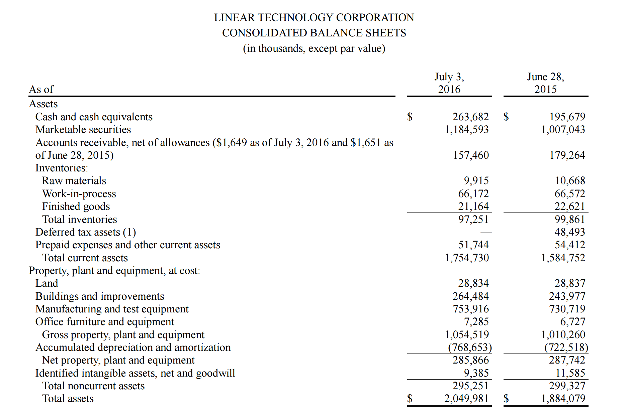

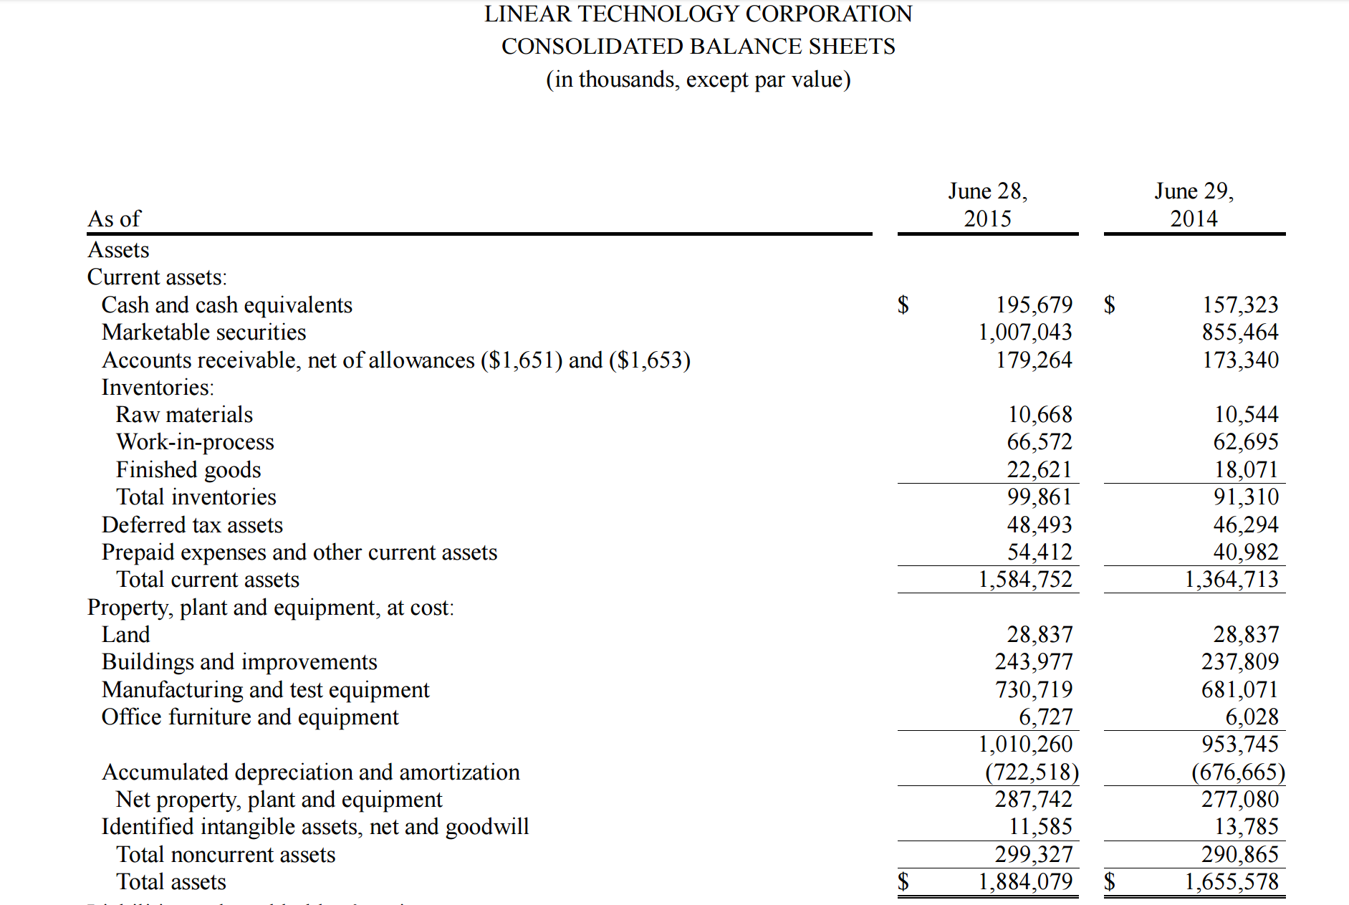

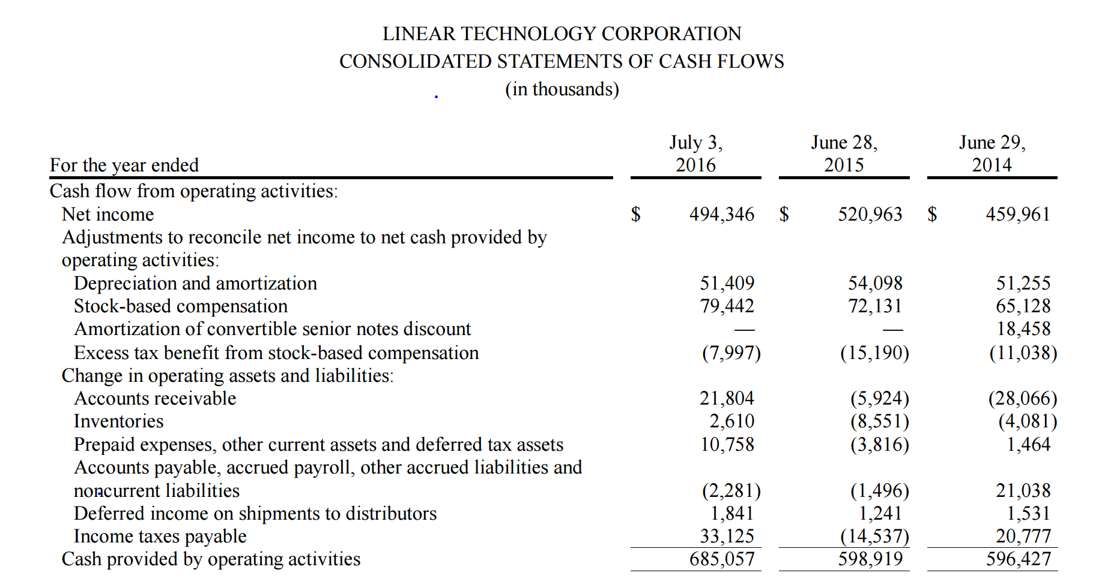

DATA-MICROSEMI
