LP Problem
Time (min) | Int Modem (X1) | Ext Modem (X2) | Circuit Bd (X3) | DVD Drive (X4) | HDD (X5) | Memory (X6) | Labor Cost ($ per hour) |  | Max Hours
Solution | 37241.379145 | 57103.448342 | 0 | 0 | 0 | 0 |  | 11276689.635
 | 620.68965242 | 951.72413903 | 0 | 0 | 0 | 0 |  | $187,944.83
Maximise | 161.35 | 92.25 | 135.5 | 82.5 | 249.8 | 191.75
Device 1 | 7 | 3 | 12 | 6 | 18 | 17 | $15.00 | <= | 120
Device 2 | 2 | 5 | 3 | 2 | 15 | 17 | $12.00 | <= | 120
Device 3 | 5 | 1 | 3 | 2 | 9 | 2 | $18.00 | <= | 100

Objective: maximise profit
Profit = Material Profit - Labor Costs
Profit = 165X1 + 95X2 + 140X3 + 85X4 + 260X5 + 200X6 - 15/60 * (7X1 + 3X2 + 12X3 + 6X4 + 18X5 + 17X6 )
 | - 12/60 * (2X1 + 5X2 + 3X3 + 2X4 + 15X5 + 17X6 ) - 18/60 * (5X1 + 1X2 + 3X3 + 2X4 + 9X5 + 2X6 )

Constraints: Hours per testing device
 | 7199.999984 |  |  |  |  | <= | 7200 |  | 120
 | 6000 |  |  |  |  | <= | 7200 |  | 120
 | 4055.1724011 |  |  |  |  | <= | 6000 |  | 100

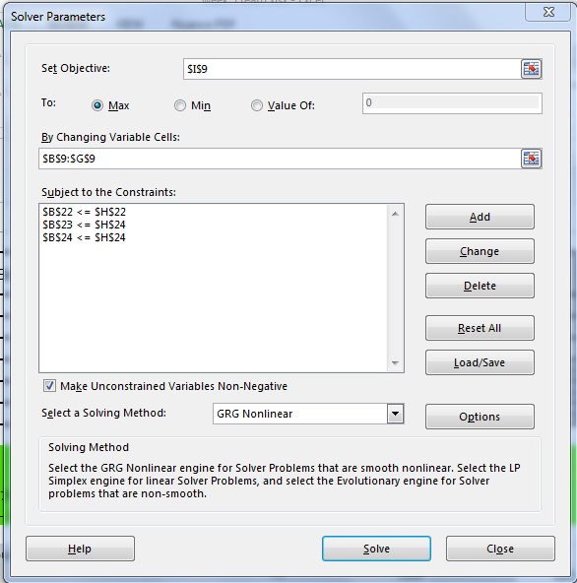

 | Revenue per unit sold $ | Cost per unit $ | Calculated Profit $
Int Modem | 200 | 35 | 165
Ext Modem | 120 | 25 | 95
Circuit Bd | 180 | 40 | 140
DVD Drive | 130 | 45 | 85
HDD | 430 | 170 | 260
Memory Bd | 260 | 60 | 200

