Question 1
Fifty business students were given a project to complete. The bar graph below shows the number
of days it took the students to complete the assignment.
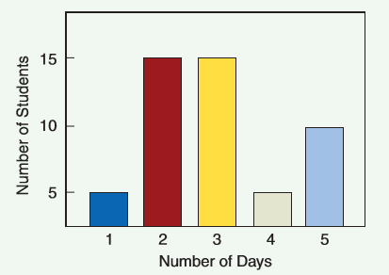
 | 1. How many students took 4 days to complete the assignment?

 | 2. How many students completed the project in 3 days or less?

 | 3. What percent of students completed the project in 3 days or less?
 |  | State the answer as a percentage with one digit after decimal.

Question 2
The bar graph below shows the Quarterly Dollar Volume of Batesville Tire Company.
Refer to the bar graph below and answer the questions.
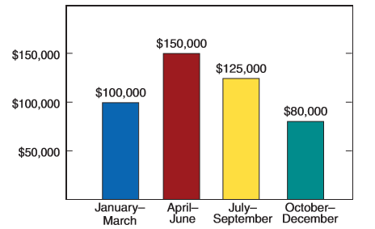
 | 1. Which quarter had the highest dollar volume?

 | 2. What percent of the yearly sales were the sales for October–December?
 |  |  | State the answer as a percentage with one digit after decimal.

 | 3. What was the percent of increase in sales from the ﬁrst to the second quarter?
 |  | State the answer as a percentage with one digit after decimal.

Question 3
The line chart below shows data for Automobile Gasoline Mileage Comparisons for
full-size and compact cars.
Refer to the chart and answer the questions.
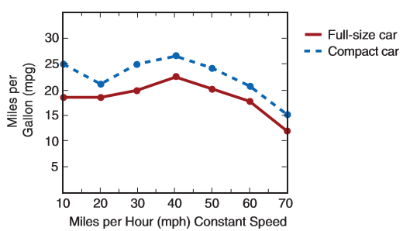
 | 1. What speed gave the highest gasoline mileage for both types of automobiles?

 | 2. What speed gave the lowest gasoline mileage for both types of automobiles?

 | 3. At what speed did the ﬁrst noticeable decrease in gasoline mileage occur?
 | Which car showed this decrease? | Choose one

Question 4
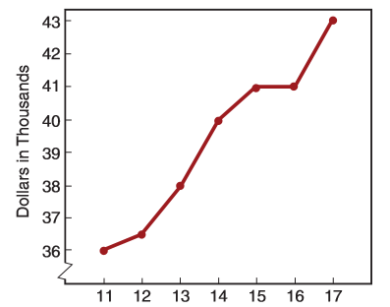
The line chart below shows Dale Crosby's Salary History.
Refer to this chart and answer the questions.
 | 1. Calculate the amount and percent of increase in Dale’s salary from 2014 to 2015.

 |  | Amount of increase |  | Percentage of increase |  | State the answer as a percentage with one digit after decimal.

 | 2. What is the percent of increase in Dale’s salary from 2012 to 2013?

 |  | Percentage of increase | State the answer as a percentage with one digit after decimal.

 | 3. Calculate the amount and percent of increase in Dale’s salary from 2016 to 2017.

 |  | Amount of increase |  | Percentage of increase |  | State the answer as a percentage with one digit after decimal.

 | 4. If the cost-of-living increase was 10% from 2011 to 2016, determine if Dale’s
 | salary for this period of time kept pace with inﬂation.

 | Hint: For part 4, follow the steps below:
 | Step 1: Find the amount of salary increase from 2011 to 2016.
 | Step 2: Find the percentage increase from 2011 to 2016.
 | Step 3: If the percentage increase from Step 2 is greater than 10% cost-of-living increase, then
 | Dale's salary kept pace with inflation, otherwise no.

 | Step 1: Amount of salary increase from 2011 to 2016
 | Step 2: Percentage increase from 2011 to 2016 |  |  |  | State the answer as a percentage with no decimal.
 | Step 3: Did the salary keep pace with inflation? |  |  |  |  | (Choose one)

Question 5
The pie chart below shows the family budget. Refer to the chart and answer the following questions.
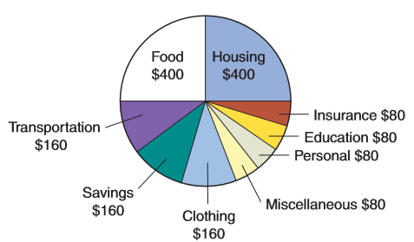
 | 1. What is the total take-home pay?

 | 2. What percent of the total take-home pay is allocated for transportation?
 |  | State the answer as a percentage with one digit after decimal.

 | 3. What percent of the take-home pay is allocated for food?
 |  | State the answer as a percentage with one digit after decimal.

 | 4. What percent of take-home pay is spent for education?
 |  | State the answer as a percentage with one digit after decimal.

 | 5. What percent of take-home pay is spent for education when education,
 | savings, and miscellaneous funds are combined to be used for education?

 | Total of education, savings, and miscellaneous funds
 | Percentage of take-home pay spent on this combined total |  | State the answer as a percentage with one digit after decimal.

Question 6
The bar chart shows the distribution of tax dollars. Refer to the chart and answer the following questions.
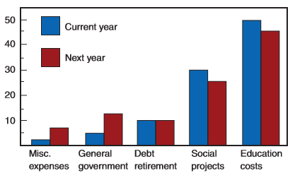
 | 1. What expenditure is expected to be the same next year as this year?

 | 2. What two expenditures are expected to increase next year?

 | 3. What two expenditures are expected to decrease next year?

 | 4. What expenditure was greatest both years?

