Introduction
Building Blocks of Accounting .. A Financial Perspective

Claudia, when you are ready to have your work graded you will upload this file |  | CG0310.xls or CG0310.xlsx,
to the same screen that the project was downloaded from: www.cybertext.com, The Book List, Building Blocks of Accounting - A Financial Perspective, Enter password, Upload Your Excel File. Keep two copies of your spreadsheet in two separate places in case one does not work. You may find it easier to work on this project if you print a hard copy of all the pages. NOTE: If there are any questions about the project e-mail markfriedman@miami.edu or call 305.284.6296. Grade will be based upon answers entered into the shaded boxes.

F301 | 150126

FAQ
Elf Village Productions | 50 Sheet Legal Pad

 | Building Blocks of Accounting .. A Financial Perspective
 | FAQ |  |  |  |  | Page 1

FAQ 01 | My file used to upload, why is it not uploading?

Answer: | Sometimes we unknowing add items to a workbook that inhibits the upload process. The conversion to an earlier version
 | Somehow clean the files and they then upload without problem. If the problem continue simple send your file as an
 | attachment with your username and password…friedman@cybertext.com

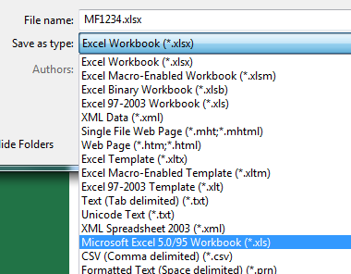
 | Windows Operating System
 | Select | File
 | Select | Save As
 | Select | Save As Type:
 | Select | Microsoft 5.0/95 Workbook (*.xls)
 | Select | Save
 | Select | Continue or Yes if prompted or if it indicates that there is limited memory.

 | Select | File Close
 | Select | File Open | and open the .xls file
 | Select | Save As
 | Select | Save As Type:
 | Select | Excel Workbook (*.xlsx)
 | Select | Save

 | Upload the file at cybertext.com

MF1234.xlsx
Excel 5.0/95 Workbook (.xls)
 | Apple Operating System
 | Select | File
 | Select | Save As
 | Select | Format:
 | Select | Microsoft 5.0/95 Workbook (*.xls)
 | Select | Save
 | Select | Continue or Yes if prompted or if it indicates that there is limited memory.

 | Select | File Close
 | Select | File Open | and open the .xls file
 | Select | Save As
 | Select | Format:
 | Select | Excel Workbook (*.xlsx)
 | Select | Save

 | Upload the file at cybertext.com

Elf Village Productions | 50 Sheet Legal Pad

 | Building Blocks of Accounting .. A Financial Perspective
 | FAQ |  |  |  |  | Page 2

FAQ 02 | When I try to enter information in the General Journal why does an error appears indicating that the cell protected?
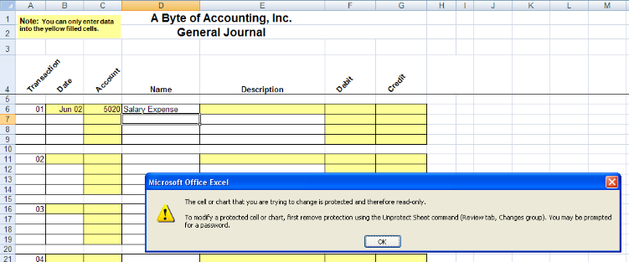

Answer: | The computer program is designed to save you time. Instead of requiring you to enter the description four
 | times the program automatically copies the description when you enter a new account number. This process
 | requires that the data entry is limited to those cells which contain unique information. The cells that you can
 | enter data into are the yellow filled cells.

FAQ 03 | In the feedback section, what does it mean when I have points under reverse?

Answer: | If you pay a telephone expense of $100.00

 | Telephone Expense |  |  | 100
 |  | Cash |  |  | 100

 | If you debit cash and credit telephone expense you have reversed the whole entry.

 | Cash |  |  | 100
 |  | Telephone Expense |  |  | 100

 | If you debit cash and credit anything else you have reversed part of the entry.

 | Cash |  |  | 100
 |  | Rent Expense |  |  | 100

Elf Village Productions | 50 Sheet Legal Pad

 | Building Blocks of Accounting .. A Financial Perspective
 | FAQ |  |  |  |  | Page 3

FAQ 04 | How does my instructor get my grade?

Answer: | Every time you upload your grade is recorded in a table. Your instructor can look at the table whenever they
 | want to, although only the last grade counts. Keep a hard copy of your last upload for documentation.

FAQ 05 | I have entered all the transactions and have completed the worksheet however I get following
 | message on the financial statements: "You must finish the worksheet before you can complete the ...."

Answer: | The worksheet demonstrates that the accounting system is working. If all of your journal entries are
 | in balance then the Unadjusted Trial Balance and the Adjusting Entry columns will balance. The
 | Adjusted Trial Balance columns net the Unadjusted Trial Balance and the Adjusting Entry columns.
 | There are four steps to completing the worksheet:
 | 1. Copy the account balances from the Adjusted Trial Balance into the either the Income Statement or the
 | Balance Sheet columns, (debits remain debits and credits remain credits).
 | 2. Calculate the Net Income or Net Loss by finding the difference between the revenues and expenses.
 | 3. Calculate the Net Income or Net Loss by finding the difference between the total of the debit balances and
 | the total of the credit balances of the accounts in the Balance Sheet columns of the worksheet.
 | 4. Compare the two Net Incomes. If they are the same the financial statements will be displayed, otherwise
 | there is an error in the completion of the worksheet.

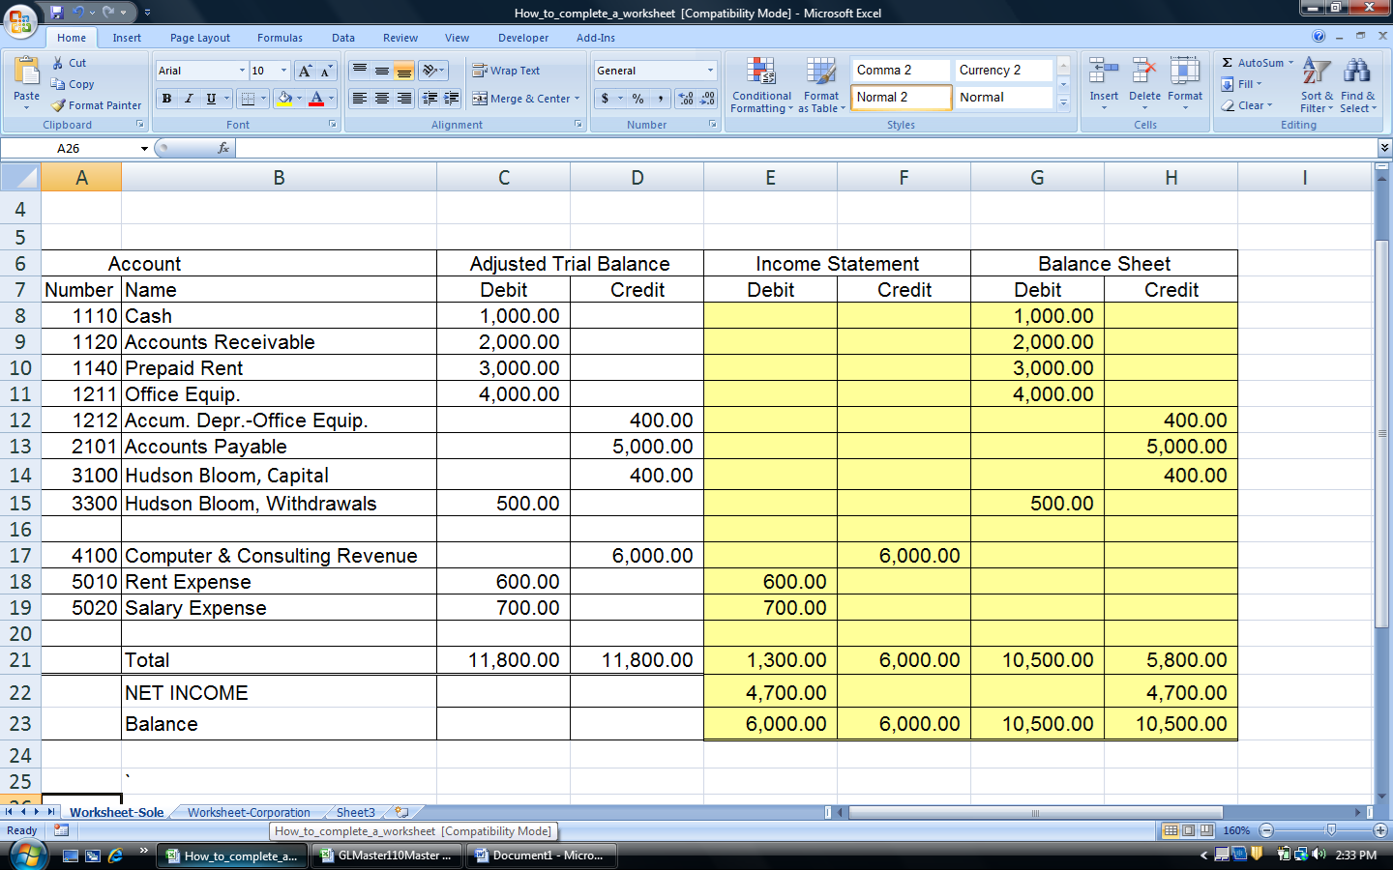

Welcome
Building Blocks of Accounting -- A Financial Perspective

 |  |  | The instructions start on row 22 of this page.

 |  |  | FIRST | LAST | SS | File
 |  |  | Claudia | Guaremas | 310 | CG0310
Welcome to the worlds first ePractice case, an individualized, internet generated and graded case study that focuses on the analytically portion of the accounting cycle while automating the repetitive posting cycle. NOTE: If the program is not working e-mail markfriedman@miami.edu, 305.284.6296.

Step I - The Chart of Accounts The chart of accounts includes all of the accounts that you can use to solve your case. You may want to print the chart of accounts and use it as an easy reference guide.

Step II – Journalizing the Transactions. Using your unique transactions record the corresponding general journal entry, rounding to two decimal places.

June 1: Joseph made an investment in Byte of Accounting, Inc. by purchasing 2,000 shares of its common stock for $40,000 cash. The par value of the common stock was $20 per share.
For example,
01

In the date field enter the date of the transaction. If you do not enter a date value an error message will appear.

Transaction | Date | Account | Name | Description | Debit | Credit

01 | 2000-06-01 |  | Cash

In the account field enter the account number that corresponds to the account in the chart of accounts.
You can also use the pull down list to find the appropriate account number. If you use a number that
is not on the chart of accounts an error message will appear.

Transaction | Date | Account | Name | Description | Debit | Credit

01 | 2000-06-01 | 1110 | Cash

 |  |  | Land

The name of the account will automatically appear in the name column. If it is the wrong
account renter the correct account number.

Enter the description in the description field.

Transaction | Date | Account | Name | Description | Debit | Credit

01 | 2000-06-01 | 1110 | Cash | Joseph's investment
01 | 2000-06-01 |  | Advertising Expense | Joseph's investment
01 | 2000-06-01 |  | Accounts Payable | Joseph's investment

Enter the amount in the debit field.

Transaction | Date | Account | Name | Description | Debit | Credit
 |  |  |  | Transaction # 1 Not in Balance by $40,000.
01 | 2000-06-01 | 1110 | Cash | Joseph's investment | 40,000.00
01 | 2000-06-01 |  | Cash | Joseph's investment

Enter the second account number.

Transaction | Date | Account | Name | Description | Debit | Credit
 |  |  |  | Transaction # 1 Not in Balance by $40,000.
01 | 2000-06-01 | 1110 | Cash | Joseph's investment | 40,000.00
01 | 2000-06-01 | 3100 | Capital Stock | Joseph's investment
01 | 2000-06-01 |  | Cash | Joseph's investment

Enter the amount in the credit field.

Transaction | Date | Account | Name | Description | Debit | Credit

01 | 2000-06-01 | 1110 | Cash | Joseph's investment | 40,000.00
 |  | 3100 | Capital Stock | Joseph's investment |  | 40,000.00
 |  |  | Accounts Payable | Joseph's investment
 |  |  | Cash | Joseph's investment
Step III – Worksheet Although not graded, you need to complete the Worksheet. If each of your journal entries are in balance then your Unadjusted Trial Balance and the Adjusting Entry columns will be in balance. Your Adjusted Trial Balance will balance when you place each of the account balances into the correct debit or credit position in the Adjusted Trial Balance section of the Worksheet. Then copy each of the account balances to their appopiate location in the Income statement or Balance Sheet columns of your worksheet. If the net income balance both the Income Statment and the Balance Sheet then your worksheet is completed.

Step IV – Prepare the Financial Statements. After you have entered all of the transactions and prepared the Worksheet, you are to prepare the Income Statement, Shareholder's Equity Statement and Balance Sheet using the forms provided.

Step V – Prepare the Closing Entries. Based upon the information from your Worksheet or from your Financial Statements, prepare the closing entries.
Step VI – Upload the File. Whenever you want to have cybertext.com grade your work submit it to them on the bottom of the screen that you downloaded the file.

Grading: You will be graded on the Journal Entries and the three financial statement. The case will be computer graded, therefore make sure all numbers are in the appropriate cells. The computer will evaluate your transactions when grading your financial statements.

Note:
 | Save and make backup copies regularly.

General Journal
A Byte of Accounting, Inc.
General Journal
Note: You can only enter data into the yellow filled cells.
Transaction | Date | Account | Name | Description | Debit | Credit | Total Balance

01 | 2015-06-01 | 1110 | Cash | Cash required from Lauryn | 52,000.00 |  | 52000 | 0
01 | 2015-06-01 | 3100 | Capital Stock | Cash required from Lauryn |  | 52,000.00 | (52000) | 0
 |  |  |  |  |  |  | 0 | 0
 |  |  |  |  |  |  | 0 | 0

02 | 2015-06-01 | 1110 | Cash | Issued stock for cash and PC | 21,200.00 |  | 21200 | 0
02 | 2015-06-01 | 1311 | Computer Equip. | Issued stock for cash and PC | 30,200.00 |  | 30200 | 0
02 | 2015-06-01 | 3100 | Capital Stock | Issued stock for cash and PC |  | 51,400.00 | (51400) | 0
 |  |  |  |  |  |  | 0 | 0

03 | 2015-06-01 | 1110 | Cash | Issued stock for cash and PC and Equip | 33,000.00 |  | 33000 | 0
03 | 2015-06-01 | 1311 | Computer Equip. | Issued stock for cash and PC and Equip | 11,600.00 |  | 11600 | 0
03 | 2015-06-01 | 1211 | Office Equip. | Issued stock for cash and PC and Equip | 460.00 |  | 460 | 0
03 | 2015-06-01 | 3100 | Capital Stock | Issued stock for cash and PC and Equip |  | 45,060.00 | (45060) | 0

04 | 2015-06-02 | 1311 | Computer Equip. | Purchase computer equipment | 150,000.00 |  | 150000 | 0
04 | 2015-06-02 | 1110 | Cash | Purchase computer equipment |  | 30,000.00 | (30000) | 0
04 | 2015-06-02 | 2202 | Notes Payable | Purchase computer equipment |  | 120,000.00 | (120000) | 0
 |  |  |  |  |  |  | 0 | 0

05 | 2015-06-04 | 1211 | Office Equip. | Additional equipment | 400.00 |  | 400 | 0
05 | 2015-06-04 | 2101 | Accounts Payable | Additional equipment |  | 400.00 | (400) | 0
 |  |  |  |  |  |  | 0 | 0
 |  |  |  |  |  |  | 0 | 0

06 | 2015-06-08 | 2101 | Accounts Payable | Return of Office Equipment | 80.00 |  | 80 | 0
06 | 2015-06-08 | 1211 | Office Equip. | Return of Office Equipment |  | 80.00 | (80) | 0
 |  |  |  |  |  |  | 0 | 0
 |  |  |  |  |  |  | 0 | 0

07 | 2015-06-10 | 2202 | Notes Payable | Payment balance of Computer Equip | 23,000.00 |  | 23000 | 0
07 | 2015-06-10 | 1110 | Cash | Payment balance of Computer Equip |  | 23,000.00 | (23000) | 0
 |  |  |  |  |  |  | 0 | 0
 |  |  |  |  |  |  | 0 | 0

08 | 2015-06-14 | 1130 | Prepaid Insurance | 1 Year prepaid insurance policy | 5,472.00 |  | 5472 | 0
08 | 2015-06-14 | 1110 | Cash | 1 Year prepaid insurance policy |  | 5,472.00 | (5472) | 0
 |  |  |  |  |  |  | 0 | 0
 |  |  |  |  |  |  | 0 | 0

09 | 2015-06-16 | 1110 | Cash | Revenue for Computer Consultation | 7,250.00 |  | 7250 | 0
09 | 2015-06-16 | 4100 | Computer & Consulting Revenue | Revenue for Computer Consultation |  | 7,250.00 | (7250) | 0
 |  |  |  |  |  |  | 0 | 0
 |  |  |  |  |  |  | 0 | 0

10 | 2015-06-16 | 1510 | Land | Adquisition of Land and Building | 21,000.00 |  | 21000 | 0
10 | 2015-06-16 | 1411 | Building Cost | Adquisition of Land and Building | 110,000.00 |  | 110000 | 0
10 | 2015-06-16 | 1110 | Cash | Adquisition of Land and Building |  | 13,100.00 | (13100) | 0
10 | 2015-06-16 | 2201 | Mortgage Payable | Adquisition of Land and Building |  | 117,900.00 | (117900) | 0

11 | 2015-06-17 | 1140 | Prepaid Rent | Rent Jun, July, August, and September | 7,600.00 |  | 7600 | 0
11 | 2015-06-17 | 1110 | Cash | Rent Jun, July, August, and September |  | 7,600.00 | (7600) | 0
 |  |  |  |  |  |  | 0 | 0
 |  |  |  |  |  |  | 0 | 0

12 | 2015-06-17 | 5030 | Advertising Expense | Local newspaper for Ads | 450.00 |  | 450 | 0
12 | 2015-06-17 | 2101 | Accounts Payable | Local newspaper for Ads |  | 450.00 | (450) | 0
 |  |  |  |  |  |  | 0 | 0
 |  |  |  |  |  |  | 0 | 0

13 | 2015-06-21 | 2101 | Accounts Payable | Account payable | 320.00 |  | 320 | 0
13 | 2015-06-21 | 1110 | Cash | Account payable |  | 320.00 | (320) | 0
 |  |  |  |  |  |  | 0 | 0
 |  |  |  |  |  |  | 0 | 0

14 | 2015-06-21 | 1211 | Office Equip. | Fax machine | 650.00 |  | 650 | 0
14 | 2015-06-21 | 1110 | Cash | Fax machine |  | 650.00 | (650) | 0
 |  |  |  |  |  |  | 0 | 0
 |  |  |  |  |  |  | 0 | 0

15 | 2015-06-21 | 1120 | Accounts Receivable | Consulting services performed | 4,900.00 |  | 4900 | 0
15 | 2015-06-21 | 4100 | Computer & Consulting Revenue | Consulting services performed |  | 4,900.00 | (4900) | 0
 |  |  |  |  |  |  | 0 | 0
 |  |  |  |  |  |  | 0 | 0

16 | 2015-06-22 | 5020 | Salary Expense | Equipment operator salaries | 835.00 |  | 835 | 0
...

